Guidance
Guidance

Identifying, monitoring, and managing risk is a key part of good charity governance and Trustees must develop and maintain a risk register. A risk is something that may or may not happen. If it does happen, it could affect your Group, District or County/Area/Region (Scotland). An issue is when you’re dealing with something that’s already happened. For example, you may identify there’s a risk of damage to your Scout meeting place in bad weather. If that happens, you’ll need to consider how urgently repairs are needed, or whether you need to cancel sessions to keep everyone safe. Simply thinking it through is risk management. A risk register is a tool to help you record your risks and identify what to focus on. It’ll help you to manage risks and make the right decisions. Trustees develop and maintain the risk register, and put controls in place. But, they can delegate actions to others. For example, the Trustee Board might decide a building needs maintenance, but they’re not responsible for doing the repairs themselves. The Risk Register is designed to support Trustee Boards to focus on risks to the charity. It prompts Trustee Boards to follow guidance from charity regulators on key areas of risk. This is distinct from guidance on Risk Assessments required for all Scouts activities and premises. To find out about the Trustees responsibilities for risk assessments read the Safety Checklist. |  |  |  | Further information
 |  |  |  | Charities and risk management CC26
 |  |  |  | Checklist of financial controls for charities
 |  |  |  | How to manage risk NCVO

 |  |  |  | Safety checklist

Step 1: Identify the risks | Step 2: Assess the risks |  |  | Step 3: Control the risk | Step 4: Monitor the risk
Work with other Trustees and Leadership teams to identify risks. The risks you identify will depend on the size of your Group, District or County. The risk categories you should consider: 1. External – Risks which may affect the Group/ District/ County, such as changes in the external environment (that we can’t really control). 2. Operational – Risks that occur from the activities we carry out. 3. Financial – Financial risks in terms of funding and planning. 4. Legal and Regulatory – Risks related to complying with legislation and regulations. 5. Governance – Risks that are part of the effective and ethical management of the Group/ District/County. 6. Data Protection – Risks to personal or organisation data that could result in loss, damage, misuse, or destruction. | You need to understand the impact and likelihood of the risks you’ve identified. We use a 4x4 grid to help us work out the score of a particular risk. Trying to decide on an appropriate score is difficult if you’re making the judgment on your own. It’s always best to review risks and their scores as a team. That way, you have a more balanced, accurate view of each risk. Check the definitions for impact and likelihood below to help you. Working out the overall risk score In this template, the overall risk score is worked out by multiplying impact by likelihood, and adding the impact score again. (Impact x likelihood) + impact = risk score |  |  | To begin with, think about what the score would be before you do anything about the risk. This is your pre-control score. Then, think about all the different things that help you to manage that risk, by either reducing its impact or the likelihood of it happening. These are your controls. Once you’ve recorded all the controls you have in place, think about how much that’s reduced the score you started with. This is your post-control score. Think of this as the 'real' level of risk. Are there any other things you can do (perhaps longer-term plans) to reduce the impact or likelihood even further? Please write these up in your ‘Further planned actions’ column. | Make sure every risk has a named 'owner' and named people who are 'responsible' for any necessary actions. Remember, tasks can be delegated to people outside the Trustee Board. It's important they provide regular updates on these actions, so you know if the risk is being managed correctly. Here are a few ways you can monitor risks: - Ask for reports and updates on actions - Review risks at Board meetings - Review risk assessments
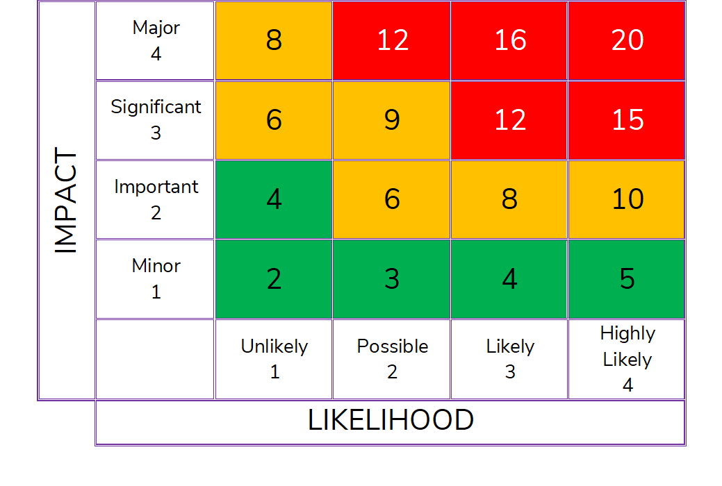
 | Impact score
 | Score | Description | Example
 | 1 | Minor | No impact on activities or reputation Complaint unlikely Legal action unlikely
 | 2 | Important | Some activity disruption Potential for negative publicity - avoidable with careful handling Complaint probable Legal action possible
 | 3 | Significant | Activities disrupted Negative publicity unavoidable Complaint probable Legal action probable
 | 4 | Major | Activities interrupted for significant time Major negative publicity unavoidable Major legal action expected

 | Likelihood score
 | Score | Description | Example
 | 1 | Unlikely | Not expected to occur within two years
 | 2 | Possible | May occur within 12 to 24 months
 | 3 | Likely | Could occur within 12 months
 | 4 | Highly likely | Expected to occur within 12 months

